Sheet1
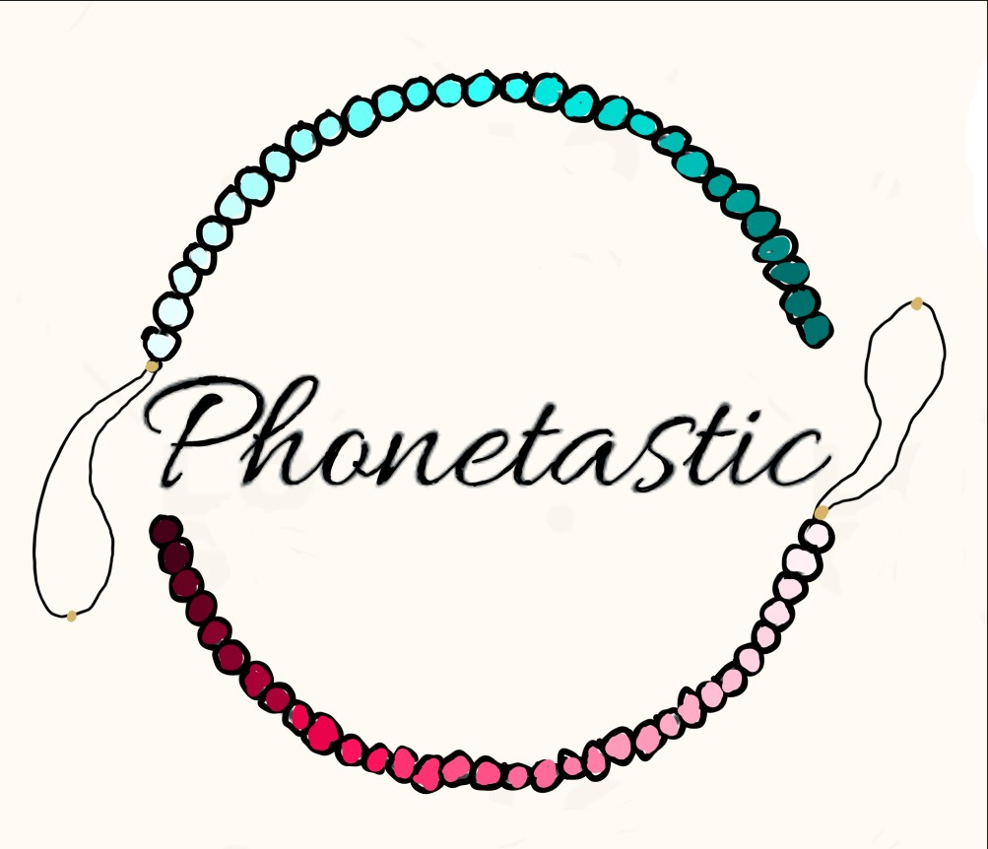
 | Phonetastic- Profit and Loss Speadsheet

 | Prodution Costs
 | Item name: | Cost: | Quantity | Total item cost
 | Bead kit | $10.00 | 2 | $20.00
 | String | $3.25 | 2 | $6.50
 | Scissors | $1.00 | 1 | $1.00
 |  |  | Total Cost: | $27.50

 | Items Sold
 | Sales numbers: | Customer Name: | Quanity: | Size: | Item Cost: | Type (Cash or Eftpos) | Total:
 | 1 | Aaliyah Griver | 1 | Small | $3.00 | Eftpos | $3.00
 | 2 | Milana Grieg | 5 | Small | $3.00 | Eptpos | $15.00
 | 3 | Mr Middleton | 6 | Big | $5.00 | Cash | $30.00
 | 4 | Rachel Moore | 2 | Big | $5.00 | Eftpos | $10.00
 | 5 | Mr Wong | 2 | Big | $5.00 | Cash | $10.00
 |  |  |  |  |  | Total Sales: | $68.00
T

 | Profit or loss Table
 | Production Cost: | Total sales: | Charity (10%) | Profit/ Loss
 | $27.50 | $68.00 |  | $40.50

